Sequence
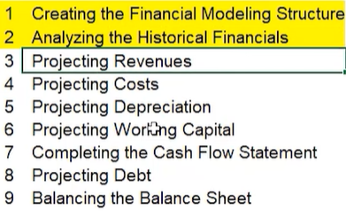
IS Sheet
Check 'Drivers' Assumption for Forecast of Revenue in IS Sheet
Based on Drivers, calculate the Revenues forecasting in the top rows in IS Sheet
Back calculations for individual drivers and Margins
Link individual driver forecasts for each driver to top total revenue and cost rows
Basically after finding the driver assumptions % for future, back calculate the forecasted numbers in the top rows.
Dep & Amort & Interest parts not calculated now.

Dep Capex
Assume depreciation % and calculate Net PPE using formula
After everything's done in this sheet, link back depreciation amt to IS Sheet
Also, we calculated Net PPE which is to be linked to Balance Sheet
Also, link Dep to Cash Flow statement under CFO
Also link CapEx to Cash Flow statement under CFI
Working Capital Sheet
Link all the known values and Calculate all the turnover figures first.
Calculate A/R, A/P, Inventory Projections based on turnovers
Now Link A/R,A/P, Inventory numbers to B/S; no linkage to IS; and link changes in A/R,A/P & Inventory to Cash Flow Statement

Cash Flow Sheet
now, we reach CFS Sheet and firstly link net income projections from IS Sheet if not done before.
then we calculate the change in A/R,A/P, Inventory
sum CFO.CFI, CFF individually
Link previous years ending balance as this year's beginning balance
Lastly, only Debt row will be empty.

Debt Schedule
Link Ending and beginning values for "Ending Balance'.
Project Issuance and repayment and Interest rates, Effective cash interest rate numbers based on company annual report
Now link Ending balance of Term Loan in BS
Link Interest Expense and Interest Income in IS
Link Issuance and Repayment in CFS

Balancing the Balance Sheet
Now Equity section (Common Stock, Treasury Stock, Retained Earnings) and Goodwill should remain, rest all should be populated.
Common Stock and Treasury Stock forecasts remain constant
IMPORTANT LINK: Since no dividend, entire "net income" from Income Statement flows into Balance Sheet as Retained Earnings. NOTE: so, Retained Earnings in Year 1 Estimate: Retained Earning from previous year + Net Income

